Background
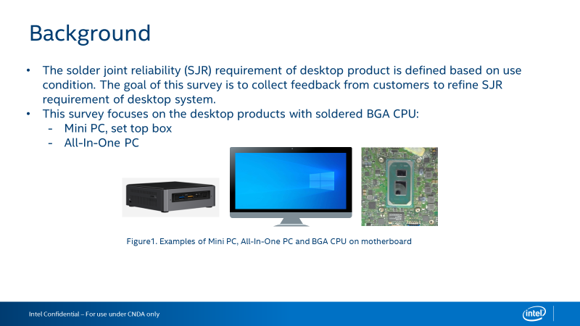

Questionnaire
Intel Confidential - Shared Under NDA

Category | Question | Example Answer | Name of the BGA Product | Name of the BGA Product
Product | What Intel BGA products are used in desktop products? | Eg., i7-10510U | I5-8265U,I7-8665U,I5-8365U,4205U,I3-8145U,I3-8145UE,I5-8365U | I5-8265U,I7-8665U,I5-8365U,4205U,I3-8145U,I3-8145UE,I5-8365U
Category | Question | Example Answer | Desktop BGA Product - Mini PC, set top box (Solder BGA, not Socket LGA) | Desktop BGA Product - All - In - One (Solder BGA, not Socket LGA)
 |  |  |  | 
Board Level Testing - JEDEC Standard Temperature Cycle | Do you perform board level JEDEC standard temperature cycle (TC) testing for solder joint reliability? (if no, skip this section) | Eg., Yes or No | Yes | Yes
 | What loading parameters do you use for your board level TC? | Eg., Loaded from thermal solution, not-loaded | Loaded from thermal solution | Loaded from thermal solution
 | What board thickness do you use for your board level TC? | Eg., 1.6mm (62 mils) | 1.2mm | 1.2mm
 | What temperature range do you use for your board level TC? | Eg., -40 oC to +85 oC | 0 oC to +100 oC (500 cycles as passing, 1000 cycles streatch) | -40℃~85℃ (678 cycle as passing)
 | What cycle length (including dwell time) do you use for your board level TC? | Eg., 1 hour cycle length, 15 minute dwell | 1 hour cycle length,Dwell time: 10 to 15 minutes. | 1 hour cycle length,Dwell time: 10 to 15 minutes.
 | Do you use adhesives on the Intel SOC for your board level TC? | Eg., Yes or No | Yes | No
 | How do you monitor your board level TC results? | Eg., In situ electrical monitoring or Dye & Pull or Cross Section | Dye strain, Cross Section | Dye strain, Cross Section
 | What is the passing criteria for your board level TC? | Eg., No resistance spikes >1000 Ohm or Dye & Pull Crack Percentage (<80%) | Dye & Pull Crack Percentage (<80%) | Dye & Pull Crack Percentage (<80%)
System Level Testing | What are your test conditions for system level reliability testing? | Eg., Drop test | Drop Test sequence as: -1 corner first -3 edge of adjacent the corner -6 surface of carton box (start from one side, then opposite side). | Drop Test sequence as: -1 corner first -3 edge of adjacent the corner -6 surface of carton box (start from one side, then opposite side). Notes： -8 units start from the 8 different corner.
Product Temperature Conditions | What is the expected average package idle temperature of the Intel SOC inside the system? | Eg., 50C | No SPEC | No SPEC
 | What is the expected full running temperature at TDP power of the Intel SOC inside the system? | Eg., 80C | 100°C (Follow Intel spec) | 100°C (Follow Intel spec)
 | What is the expected average external temperature of the system? | Eg., The system will be in an air conditioned room at an average temperature of 24 oC | 0°C -35 °C | 0°C -35 °C
Power Cycles | How many power cycles a day do you anticipate the product going through? | Eg., It will cycle from On to Off 4 times a day | No SPEC | No SPEC
 | How many active/standby cycles a day do you anticipate your end product going through? | Eg., It will cycle from Active to Idle 6 times a day | No SPEC | No SPEC
Board Level Adhesives | Do you have experience using board level adhesives? (if no, skip this section) | Eg., Yes or No | Yes | Yes
 | If using board level adhesives on the Intel SOC or another BGA, what kind of adhesive application do you use? | Eg., Corner glue, short/long edge glue, corner underfill | corner underfill | corner underfill
 | How do you decide whether to use board level adhesives? | Eg., Only use corner glue if drop test failed. | Base on reliabity test result | Base on reliabity test result
 | What adhesive brand and model do you use? | Eg., Brand ABC, Model XYZ | 3109A | 3109A

